Table 1
CubeLite
产品型号 | Model:
产品描述 | Product description | Full HD display high brightness smart projector
图片 | Picture | 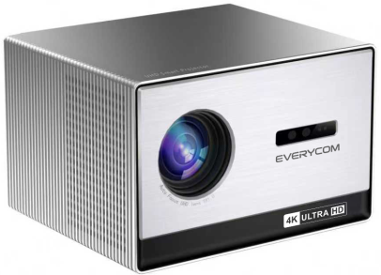
投影参数 | Projection Specification
显示技术 | Projection Technology | 6.4"LCD
投影光源 | Projection Light | LED
投影光源使用寿命 | Light Life | 50000 Hours
亮度 | Light Luminance | 1100ANSI
灯类型 | Light Type | LED
分辨率 | Standard Resolution | 3840*2160P
投影尺寸 | Projection Area | 50-300" inch
对比度 | Contrast | 3000:1
投射比 | Projection Ratio | 1.37:1
失真度 | Distortion | <1.0％
均匀度 | Luminance Uniformity | >85%
投影距离 | Projection Distance | 1.5-9M
投影长宽比 | Aspect Ratio | 16：9/4：3/equal scaling
调焦模式 | Focus mode | Auto keystone correction +Eletric keystone correction
梯形校正 | Keystone Correction | Auto keystone correction+Eletric keystone correction
输入延迟 | Input lag
悬浮菜单 | Floating menu | Allows adjustment of color, brightness, and other settings on any screen.
投影模式 | Projection Mode | Tabletop back throwing/tabletop front projection/lifting front throwing/lifting back throwing
3D | 3D | Red blue 3D
系统参数 | System Parameters
同屏镜像 | Screen Mirror | Airplay/MiraCast
系统 | OS | Android13/Linux系统
方案 | CPU | MTK9660
 | Basic Frequency | A55*4 + G52 MC1
运行内存 | Buffer Memory | 2GB
内置储存 | Memory | 32GB/8GB
WIFI | WIFI | 2.4G/5G, wifi 6
蓝牙 | Bluetooth | BT 5.0
基本参数 | Basic parameters
视频格式 | Video Support（up to 4K） | Video Codec：HEVC/H.265 (Max 4K 60fps)、MPEG1/2、MPEG4、H.263、H.264 (Max 4k 60fps)、VC1 Container：stream(.ts, .trp, .tp) MKV(.mkv) MPEG program stream(.DAT, .VOB, .MPG, .MPEG) MPEG transport stream(.ts, .trp, .tp) MP4(.mp4, .mov) MKV(.mkv) 3GPP(.3gpp, .3gp) AVI(.avi) MPEG transport stream(.ts, .trp, .tp) ASF(.asf) WMV(.wmv) AVI(.avi) MKV(.mkv)
音乐格式 | Audio Support | MP3,WMA,MP2,OGG,AAC,M4A,MA4,FLAC,APE,3GP,WAV, AC3
图片格式 | Image Support | Supports variety of image formats browsing (jpg, png, bmp etc.）
扩展储存 | Extended Storage | Support USB2.0 and Hard Disk
遥控 | Remote Control | Support（IR) Infrared
内置扬声器 | Built-in speaker | 4Ω 10W*2
整机功耗 | Whole Power Consumption | 295W
AC | Power Performance | AC100-240V，50/60Hz
机器接口 | Interface | 2*HDMI: HDMI Input 2.1
 |  | 2*USB: USB 2.0 Support USB hard disk data read
 |  | 1*3.5mm Audio output
 |  | 1*RJ45 port
包装 | Package
机身颜色 | Colour | black
机身净重 | Net weight
机身尺寸 (长×宽×高) | Dimension | 300*264.4*190mm
每套毛重 | Gift Box weight
彩盒尺寸 | Gift Box Size
每箱毛重 | Carton box weight
每箱尺寸 | Carton box size

